Sheet1
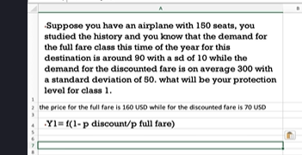
Littlewood’s Rule Calculation
 |  |  | Suppose you have an airplane with 150 seats, you
A. Input Parameters (Manual Entry) |  |  | studied the history and you know that the demand for
Total Seats | 150 |  | the full fare class this time of the year for this
Full Fare Price ($P_f$) | 160 |  | destination is around 90 with a sd of 10 while the
Discounted Fare Price ($P_d$) | 70 |  | demand for the discounted fare is on average 300 with
Full-Fare Demand Mean (μ) | 90 |  | a standard deviation of 50. what will be your protection
Full-Fare Demand Std Dev (σ) | 10 |  | level for class 1.
Discounted-Fare Demand Mean(μ) | 300
Discounted-Fare Demand Std Dev(σ) | 50 |  | the price for the full fare is 160 USD while for the discounted fare is 70 USD
 |  |  | Y1= f(1-p discount/p full fare)
B. Calculations
Price Ratio ($P_d / P_f$) | 0.4375
z-score | -0.15731068461
Protection Level (y) | 88.426893154
Rounded Protection Level | 88
Available Discounted Seats | 62

C. Decision Table: Accept/Reject Discounted Requests
Requested Discounted Seats | Result | Explanation
40 | Accept | Since 40 seats are available, we accept the request.
60 | Accept | Since 60 seats are available, we accept the request.
80 | Reject | Since 80 seats exceed the available 62, we reject the request.

